Backgorund
Background:
Source savings = (pre-intervention source consumption) - (post-intervention source energy consumption) Source energy savings test: From IL TRM v 9.0 "If source energy savings calculated above is positive, the measure is eligible" source-to-site ratio = total energy input at the source in Btus / energy delivered to the consumer in Btus |  |  |  |  |  |  | Conversions
 |  |  |  |  |  |  | 1 kWh = | 3412 | Btu
 |  |  |  |  |  |  | 1 therm = | 100,000 | Btu
 |  |  |  |  |  |  | 1 therm = | 29.3 | kWh

Source-to-site ratios as of 2019 (most recent EPA data) |  | Heat Rate |  | Meaning
Natural gas source-to-site ratio | 1.01 | - |  | For every Btu of natural gas consumed by the customer, 1.01 Btu of energy are required at the source.
Electric source-to-site ratio - ComEd customers | 3.16 | 10,782 | Btu/kWh | For every Btu of electricity consumed by the customer, 3.16 Btu of energy are required at the source. |  |  | Source: U.S. EPA
Electric source-to-site ratio - Ameren customers | 3.07 | 10,475 | Btu/kWh | For every Btu of electricity consumed by the customer, 3.07 Btu of energy are required at the source. |  |  | Source: U.S. EPA
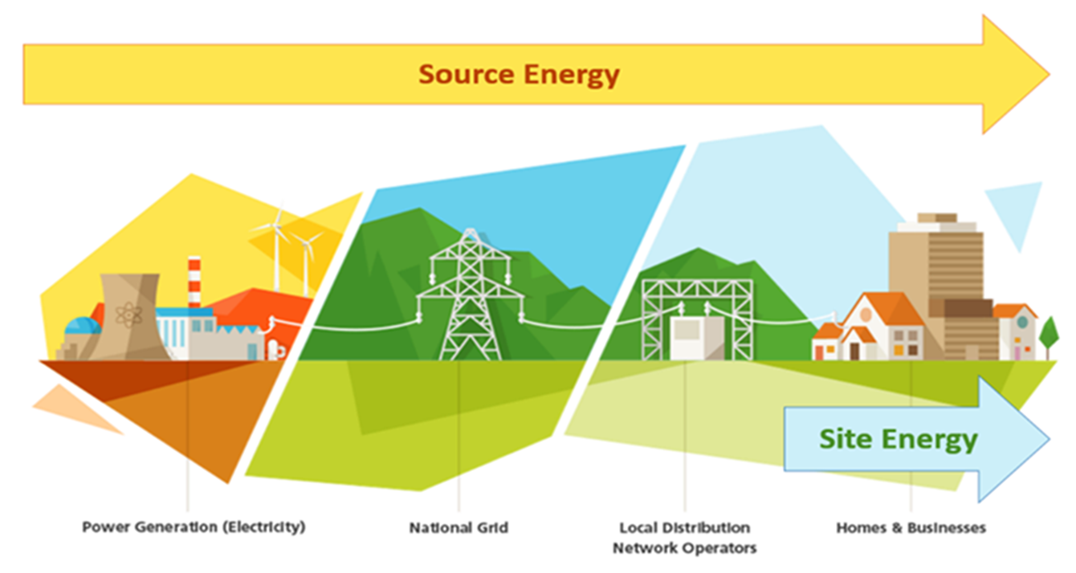
 |  |  |  |  | Citation: | ENERGY STAR

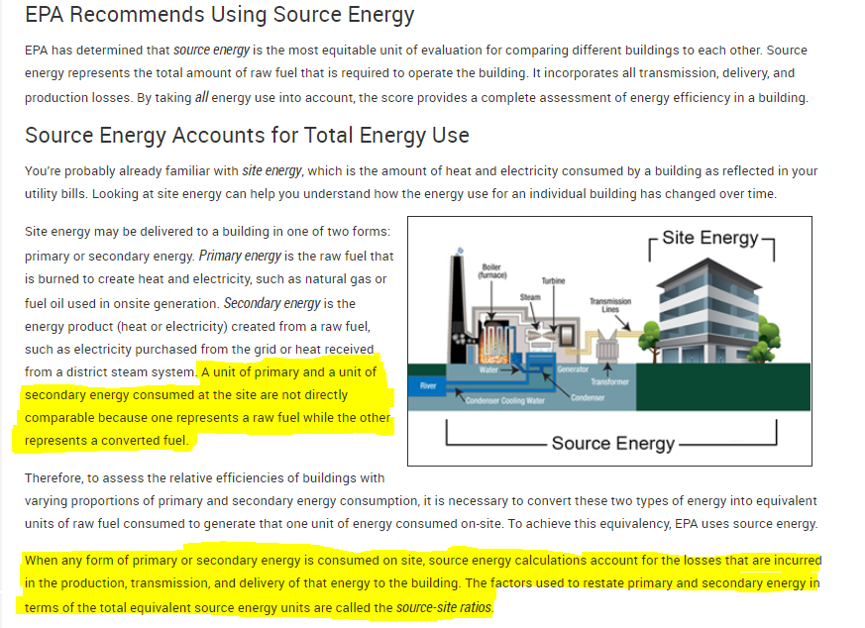

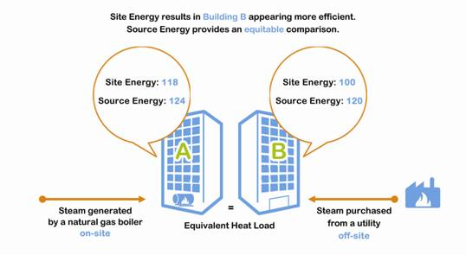
Example:

